System Demand and Market Price
I-NTEM
 | 10-Sep-26

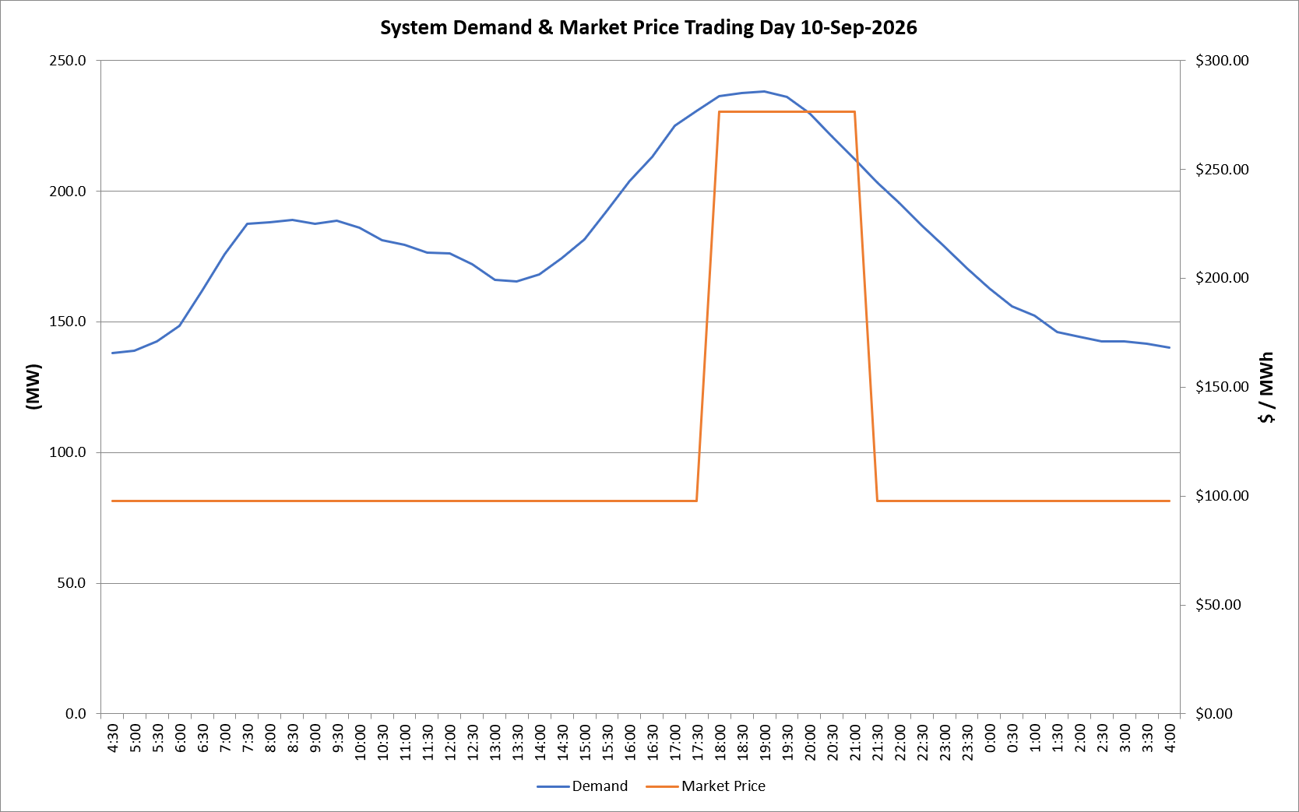
 | Demand | Market Price
4:30:00 | 138.0 | $97.60
5:00:00 | 139.0 | $97.60
5:30:00 | 142.6 | $97.60
6:00:00 | 148.6 | $97.60
6:30:00 | 161.8 | $97.62
7:00:00 | 175.8 | $97.62
7:30:00 | 187.4 | $97.62
8:00:00 | 187.9 | $97.62
8:30:00 | 188.8 | $97.62
9:00:00 | 187.3 | $97.62
9:30:00 | 188.6 | $97.62
10:00:00 | 185.9 | $97.62
10:30:00 | 181.1 | $97.62
11:00:00 | 179.3 | $97.62
11:30:00 | 176.4 | $97.62
12:00:00 | 176.2 | $97.62
12:30:00 | 171.9 | $97.62
13:00:00 | 166.0 | $97.62
13:30:00 | 165.4 | $97.62
14:00:00 | 168.1 | $97.62
14:30:00 | 174.3 | $97.62
15:00:00 | 181.6 | $97.62
15:30:00 | 192.6 | $97.62
16:00:00 | 203.8 | $97.62
16:30:00 | 212.9 | $97.63
17:00:00 | 225.0 | $97.63
17:30:00 | 230.6 | $97.63
18:00:00 | 236.3 | $276.37
18:30:00 | 237.6 | $276.37
19:00:00 | 237.9 | $276.37
19:30:00 | 235.9 | $276.37
20:00:00 | 229.8 | $276.37
20:30:00 | 220.9 | $276.37
21:00:00 | 212.1 | $276.37
21:30:00 | 203.2 | $97.63
22:00:00 | 195.5 | $97.62
22:30:00 | 186.8 | $97.62
23:00:00 | 178.7 | $97.62
23:30:00 | 170.4 | $97.62 | Offers Used For Processing
0:00:00 | 162.9 | $97.62
0:30:00 | 156.0 | $97.62 | Generator | Offer Version | Start Interval | Trading Day
1:00:00 | 152.2 | $97.60 | AENT | Version 4 | 4:30:00 | 2026-09-10
1:30:00 | 146.2 | $97.60 | BSF | Version 0 | 4:30:00 | 2026-09-10
2:00:00 | 144.1 | $97.60 | EDL | Version 1 | 4:30:00 | 2026-09-10
2:30:00 | 142.4 | $97.60 | ENI | Version 18 | 4:30:00 | 2026-09-10
3:00:00 | 142.4 | $97.60 | HCPS | Version 0 | 4:30:00 | 2026-09-10
3:30:00 | 141.4 | $97.60 | TGen | Version 1 | 4:30:00 | 2026-09-10
4:00:00 | 140.2 | $97.60

