System Demand and Market Price
I-NTEM
 | 2-Sep-26

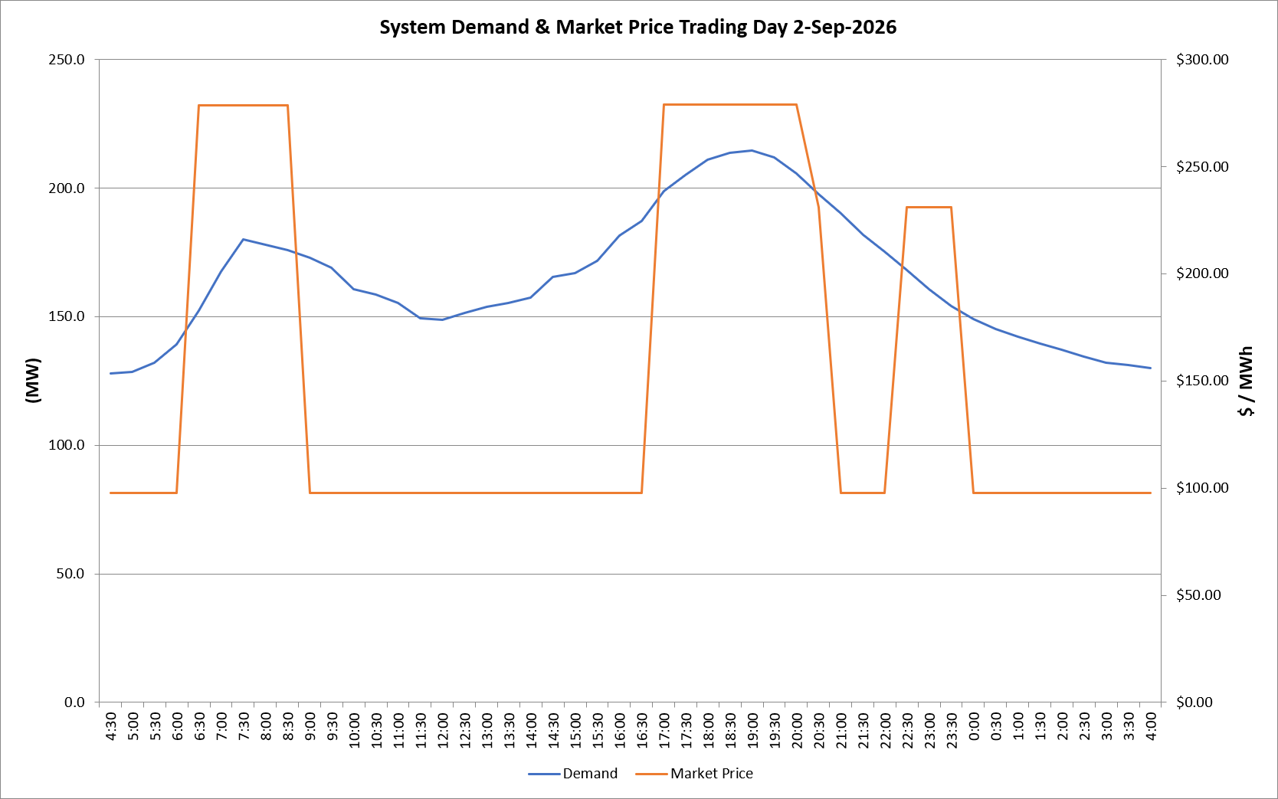
 | Demand | Market Price
4:30:00 | 128.0 | $97.60
5:00:00 | 128.6 | $97.60
5:30:00 | 132.2 | $97.60
6:00:00 | 139.3 | $97.60
6:30:00 | 152.3 | $278.50
7:00:00 | 167.6 | $278.50
7:30:00 | 179.9 | $278.50
8:00:00 | 178.0 | $278.50
8:30:00 | 175.9 | $278.50
9:00:00 | 172.9 | $97.60
9:30:00 | 169.0 | $97.60
10:00:00 | 160.7 | $97.60
10:30:00 | 158.7 | $97.60
11:00:00 | 155.4 | $97.60
11:30:00 | 149.3 | $97.60
12:00:00 | 148.8 | $97.60
12:30:00 | 151.5 | $97.60
13:00:00 | 153.9 | $97.60
13:30:00 | 155.4 | $97.60
14:00:00 | 157.5 | $97.60
14:30:00 | 165.5 | $97.61
15:00:00 | 166.9 | $97.61
15:30:00 | 171.7 | $97.61
16:00:00 | 181.5 | $97.61
16:30:00 | 187.2 | $97.61
17:00:00 | 198.8 | $278.80
17:30:00 | 205.0 | $278.80
18:00:00 | 211.1 | $278.80
18:30:00 | 213.5 | $278.80
19:00:00 | 214.6 | $278.80
19:30:00 | 211.8 | $278.80
20:00:00 | 205.6 | $278.80
20:30:00 | 197.5 | $231.04
21:00:00 | 190.1 | $97.61
21:30:00 | 181.9 | $97.61
22:00:00 | 175.2 | $97.61
22:30:00 | 168.0 | $231.04
23:00:00 | 160.6 | $231.04
23:30:00 | 154.0 | $231.04 | Offers Used For Processing
0:00:00 | 149.0 | $97.60
0:30:00 | 145.2 | $97.60 | Generator | Offer Version | Start Interval | Trading Day
1:00:00 | 142.1 | $97.60 | AENT | Version 4 | 4:30:00 | 2026-09-02
1:30:00 | 139.4 | $97.60 | BSF | Version 0 | 4:30:00 | 2026-09-02
2:00:00 | 137.2 | $97.60 | EDL | Version 1 | 4:30:00 | 2026-09-02
2:30:00 | 134.5 | $97.60 | ENI | Version 18 | 4:30:00 | 2026-09-02
3:00:00 | 132.2 | $97.60 | HCPS | Version 0 | 4:30:00 | 2026-09-02
3:30:00 | 131.1 | $97.60 | TGen | Version 1 | 4:30:00 | 2026-09-02
4:00:00 | 129.9 | $97.60

