System Demand and Market Price
I-NTEM
 | 30-Aug-26

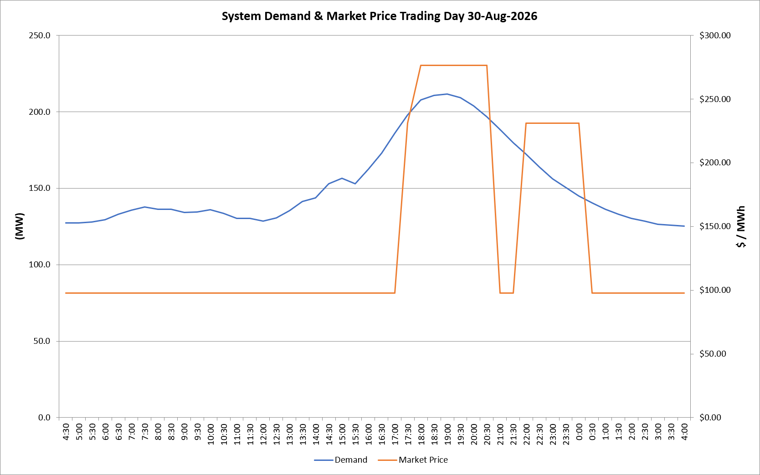
 | Demand | Market Price
4:30:00 | 127.1 | $97.60
5:00:00 | 127.4 | $97.60
5:30:00 | 128.0 | $97.60
6:00:00 | 129.4 | $97.60
6:30:00 | 133.1 | $97.60
7:00:00 | 135.5 | $97.60
7:30:00 | 137.9 | $97.60
8:00:00 | 136.2 | $97.60
8:30:00 | 136.2 | $97.60
9:00:00 | 134.1 | $97.60
9:30:00 | 134.5 | $97.60
10:00:00 | 136.1 | $97.60
10:30:00 | 133.4 | $97.60
11:00:00 | 130.2 | $97.60
11:30:00 | 130.3 | $97.60
12:00:00 | 128.4 | $97.60
12:30:00 | 130.5 | $97.60
13:00:00 | 135.3 | $97.60
13:30:00 | 141.2 | $97.60
14:00:00 | 143.6 | $97.60
14:30:00 | 153.0 | $97.60
15:00:00 | 156.4 | $97.61
15:30:00 | 152.9 | $97.61
16:00:00 | 162.4 | $97.61
16:30:00 | 172.8 | $97.61
17:00:00 | 186.0 | $97.61
17:30:00 | 198.0 | $231.04
18:00:00 | 207.8 | $276.37
18:30:00 | 210.7 | $276.37
19:00:00 | 211.5 | $276.37
19:30:00 | 209.1 | $276.37
20:00:00 | 203.8 | $276.37
20:30:00 | 196.6 | $276.37
21:00:00 | 188.3 | $97.61
21:30:00 | 179.8 | $97.61
22:00:00 | 172.3 | $231.04
22:30:00 | 164.1 | $231.04
23:00:00 | 156.3 | $231.04
23:30:00 | 150.4 | $231.04 | Offers Used For Processing
0:00:00 | 144.9 | $231.04
0:30:00 | 140.4 | $97.60 | Generator | Offer Version | Start Interval | Trading Day
1:00:00 | 136.3 | $97.60 | AENT | Version 4 | 4:30:00 | 2026-08-30
1:30:00 | 132.9 | $97.60 | BSF | Version 0 | 4:30:00 | 2026-08-30
2:00:00 | 130.1 | $97.60 | EDL | Version 1 | 4:30:00 | 2026-08-30
2:30:00 | 128.3 | $97.60 | ENI | Version 18 | 4:30:00 | 2026-08-30
3:00:00 | 126.4 | $97.60 | HCPS | Version 0 | 4:30:00 | 2026-08-30
3:30:00 | 125.8 | $97.60 | TGen | Version 1 | 4:30:00 | 2026-08-30
4:00:00 | 125.1 | $97.60

