System Demand and Market Price
I-NTEM
 | 29-Aug-26

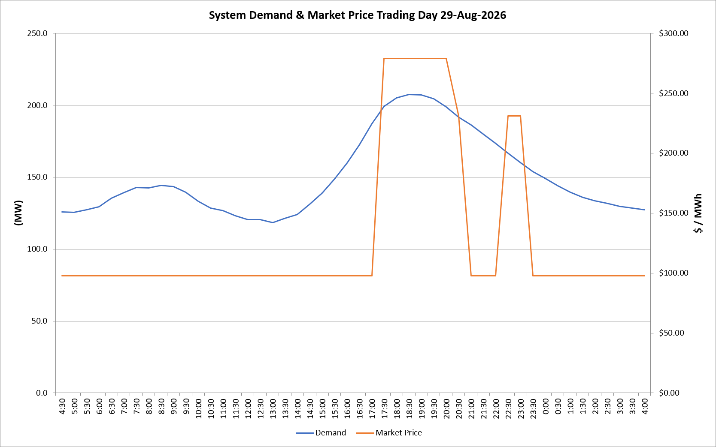
 | Demand | Market Price
4:30:00 | 125.9 | $97.60
5:00:00 | 125.6 | $97.60
5:30:00 | 127.4 | $97.60
6:00:00 | 129.3 | $97.60
6:30:00 | 135.2 | $97.60
7:00:00 | 139.3 | $97.60
7:30:00 | 142.8 | $97.60
8:00:00 | 142.5 | $97.60
8:30:00 | 144.4 | $97.60
9:00:00 | 143.3 | $97.60
9:30:00 | 139.5 | $97.60
10:00:00 | 133.2 | $97.60
10:30:00 | 128.5 | $97.60
11:00:00 | 126.7 | $97.60
11:30:00 | 123.1 | $97.60
12:00:00 | 120.6 | $97.60
12:30:00 | 120.3 | $97.60
13:00:00 | 118.2 | $97.60
13:30:00 | 121.4 | $97.60
14:00:00 | 124.0 | $97.60
14:30:00 | 131.1 | $97.60
15:00:00 | 138.8 | $97.60
15:30:00 | 148.7 | $97.60
16:00:00 | 159.6 | $97.60
16:30:00 | 172.6 | $97.61
17:00:00 | 187.2 | $97.61
17:30:00 | 198.9 | $278.80
18:00:00 | 205.0 | $278.80
18:30:00 | 207.3 | $278.80
19:00:00 | 207.0 | $278.80
19:30:00 | 204.4 | $278.80
20:00:00 | 198.8 | $278.80
20:30:00 | 191.5 | $231.04
21:00:00 | 186.2 | $97.61
21:30:00 | 179.9 | $97.61
22:00:00 | 173.5 | $97.61
22:30:00 | 166.5 | $231.04
23:00:00 | 160.0 | $231.04
23:30:00 | 153.9 | $97.60 | Offers Used For Processing
0:00:00 | 148.9 | $97.60
0:30:00 | 144.1 | $97.60 | Generator | Offer Version | Start Interval | Trading Day
1:00:00 | 139.6 | $97.60 | AENT | Version 4 | 4:30:00 | 2026-08-29
1:30:00 | 136.0 | $97.60 | BSF | Version 0 | 4:30:00 | 2026-08-29
2:00:00 | 133.5 | $97.60 | EDL | Version 1 | 4:30:00 | 2026-08-29
2:30:00 | 131.7 | $97.60 | ENI | Version 18 | 4:30:00 | 2026-08-29
3:00:00 | 129.6 | $97.60 | HCPS | Version 0 | 4:30:00 | 2026-08-29
3:30:00 | 128.6 | $97.60 | TGen | Version 1 | 4:30:00 | 2026-08-29
4:00:00 | 127.4 | $97.60

