System Demand and Market Price
I-NTEM
 | 6-Sep-26

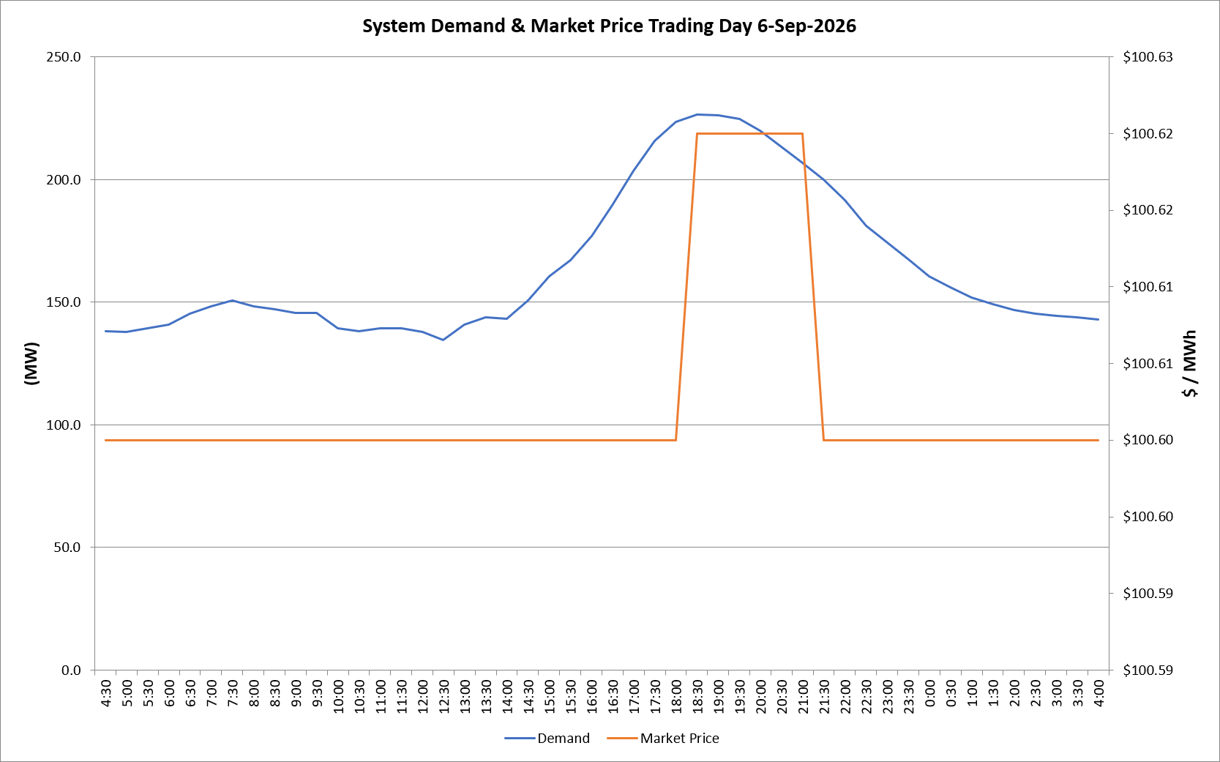
 | Demand | Market Price
4:30:00 | 138.1 | $100.60
5:00:00 | 137.8 | $100.60
5:30:00 | 139.3 | $100.60
6:00:00 | 140.8 | $100.60
6:30:00 | 145.3 | $100.60
7:00:00 | 148.3 | $100.60
7:30:00 | 150.6 | $100.60
8:00:00 | 148.5 | $100.60
8:30:00 | 147.0 | $100.60
9:00:00 | 145.7 | $100.60
9:30:00 | 145.7 | $100.60
10:00:00 | 139.4 | $100.60
10:30:00 | 138.0 | $100.60
11:00:00 | 139.5 | $100.60
11:30:00 | 139.4 | $100.60
12:00:00 | 137.9 | $100.60
12:30:00 | 134.6 | $100.60
13:00:00 | 140.9 | $100.60
13:30:00 | 143.8 | $100.60
14:00:00 | 143.4 | $100.60
14:30:00 | 150.8 | $100.60
15:00:00 | 160.7 | $100.60
15:30:00 | 167.2 | $100.60
16:00:00 | 177.0 | $100.60
16:30:00 | 189.6 | $100.60
17:00:00 | 203.5 | $100.60
17:30:00 | 215.7 | $100.60
18:00:00 | 223.5 | $100.60
18:30:00 | 226.4 | $100.62
19:00:00 | 226.2 | $100.62
19:30:00 | 224.9 | $100.62
20:00:00 | 219.8 | $100.62
20:30:00 | 213.4 | $100.62
21:00:00 | 207.0 | $100.62
21:30:00 | 200.0 | $100.60
22:00:00 | 191.5 | $100.60
22:30:00 | 181.2 | $100.60
23:00:00 | 174.3 | $100.60
23:30:00 | 167.4 | $100.60 | Offers Used For Processing
0:00:00 | 160.6 | $100.60
0:30:00 | 156.0 | $100.60 | Generator | Offer Version | Start Interval | Trading Day
1:00:00 | 151.9 | $100.60 | AENT | Version 4 | 4:30:00 | 2026-09-06
1:30:00 | 149.3 | $100.60 | BSF | Version 0 | 4:30:00 | 2026-09-06
2:00:00 | 146.9 | $100.60 | EDL | Version 1 | 4:30:00 | 2026-09-06
2:30:00 | 145.3 | $100.60 | ENI | Version 18 | 4:30:00 | 2026-09-06
3:00:00 | 144.3 | $100.60 | HCPS | Version 0 | 4:30:00 | 2026-09-06
3:30:00 | 143.8 | $100.60 | TGen | Version 1 | 4:30:00 | 2026-09-06
4:00:00 | 142.9 | $100.60

