System Demand and Market Price
I-NTEM
 | 5-Sep-26

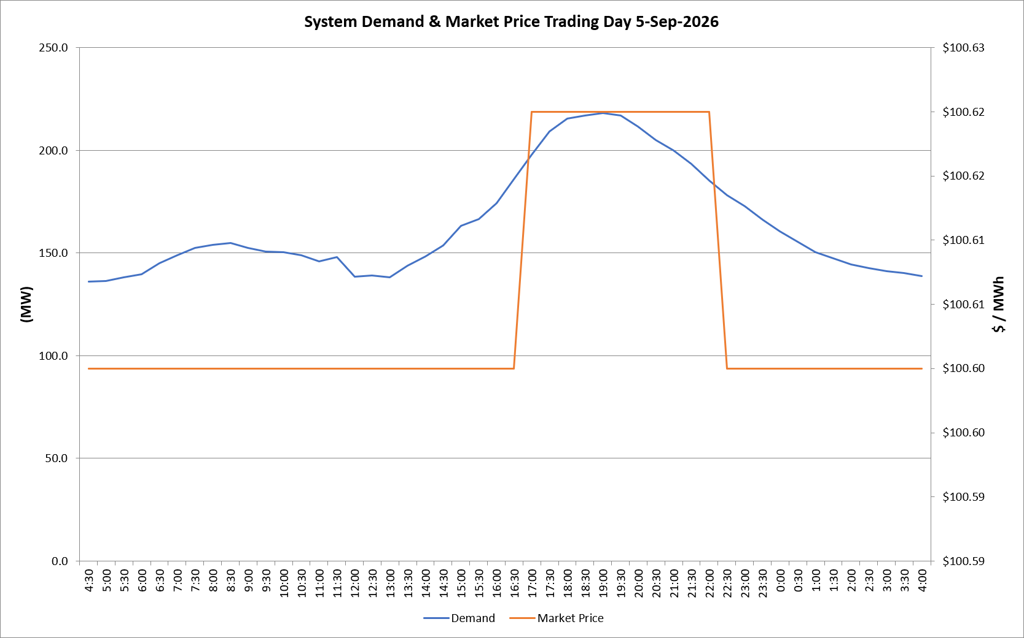
 | Demand | Market Price
4:30:00 | 136.0 | $100.60
5:00:00 | 136.3 | $100.60
5:30:00 | 138.2 | $100.60
6:00:00 | 139.6 | $100.60
6:30:00 | 145.0 | $100.60
7:00:00 | 148.8 | $100.60
7:30:00 | 152.5 | $100.60
8:00:00 | 153.9 | $100.60
8:30:00 | 154.9 | $100.60
9:00:00 | 152.4 | $100.60
9:30:00 | 150.6 | $100.60
10:00:00 | 150.5 | $100.60
10:30:00 | 149.0 | $100.60
11:00:00 | 146.0 | $100.60
11:30:00 | 147.9 | $100.60
12:00:00 | 138.3 | $100.60
12:30:00 | 139.1 | $100.60
13:00:00 | 138.3 | $100.60
13:30:00 | 143.8 | $100.60
14:00:00 | 148.5 | $100.60
14:30:00 | 153.8 | $100.60
15:00:00 | 163.2 | $100.60
15:30:00 | 166.5 | $100.60
16:00:00 | 174.4 | $100.60
16:30:00 | 185.8 | $100.60
17:00:00 | 197.9 | $100.62
17:30:00 | 209.1 | $100.62
18:00:00 | 215.6 | $100.62
18:30:00 | 217.1 | $100.62
19:00:00 | 218.2 | $100.62
19:30:00 | 217.1 | $100.62
20:00:00 | 211.6 | $100.62
20:30:00 | 204.9 | $100.62
21:00:00 | 199.8 | $100.62
21:30:00 | 193.3 | $100.62
22:00:00 | 185.4 | $100.62
22:30:00 | 178.1 | $100.60
23:00:00 | 172.7 | $100.60
23:30:00 | 166.2 | $100.60 | Offers Used For Processing
0:00:00 | 160.6 | $100.60
0:30:00 | 155.5 | $100.60 | Generator | Offer Version | Start Interval | Trading Day
1:00:00 | 150.4 | $100.60 | AENT | Version 4 | 4:30:00 | 2026-09-05
1:30:00 | 147.3 | $100.60 | BSF | Version 0 | 4:30:00 | 2026-09-05
2:00:00 | 144.5 | $100.60 | EDL | Version 1 | 4:30:00 | 2026-09-05
2:30:00 | 142.6 | $100.60 | ENI | Version 18 | 4:30:00 | 2026-09-05
3:00:00 | 141.2 | $100.60 | HCPS | Version 0 | 4:30:00 | 2026-09-05
3:30:00 | 140.2 | $100.60 | TGen | Version 1 | 4:30:00 | 2026-09-05
4:00:00 | 138.8 | $100.60

