System Demand and Market Price
I-NTEM
 | 28-Aug-26

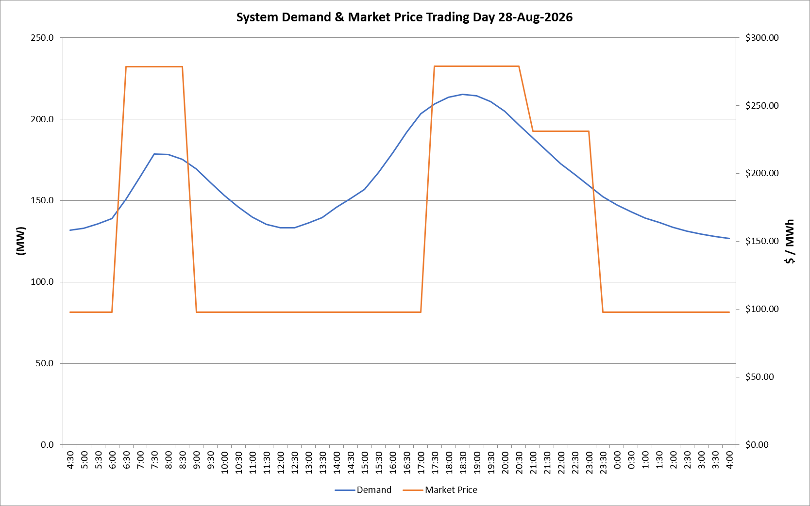
 | Demand | Market Price
4:30:00 | 131.8 | $97.60
5:00:00 | 132.9 | $97.60
5:30:00 | 135.5 | $97.60
6:00:00 | 139.0 | $97.60
6:30:00 | 150.9 | $278.50
7:00:00 | 164.4 | $278.50
7:30:00 | 178.6 | $278.50
8:00:00 | 178.3 | $278.50
8:30:00 | 175.2 | $278.50
9:00:00 | 169.4 | $97.60
9:30:00 | 161.1 | $97.60
10:00:00 | 153.3 | $97.60
10:30:00 | 146.1 | $97.60
11:00:00 | 139.8 | $97.60
11:30:00 | 135.5 | $97.60
12:00:00 | 133.2 | $97.60
12:30:00 | 133.4 | $97.60
13:00:00 | 136.2 | $97.60
13:30:00 | 139.5 | $97.60
14:00:00 | 145.7 | $97.60
14:30:00 | 151.1 | $97.60
15:00:00 | 156.9 | $97.60
15:30:00 | 167.2 | $97.60
16:00:00 | 179.1 | $97.60
16:30:00 | 192.0 | $97.61
17:00:00 | 203.2 | $97.61
17:30:00 | 209.3 | $278.80
18:00:00 | 213.4 | $278.80
18:30:00 | 215.1 | $278.80
19:00:00 | 214.3 | $278.80
19:30:00 | 210.7 | $278.80
20:00:00 | 204.6 | $278.80
20:30:00 | 196.3 | $278.80
21:00:00 | 188.3 | $231.04
21:30:00 | 180.4 | $231.04
22:00:00 | 172.7 | $231.04
22:30:00 | 166.0 | $231.04
23:00:00 | 159.1 | $231.04
23:30:00 | 152.2 | $97.60 | Offers Used For Processing
0:00:00 | 147.1 | $97.60
0:30:00 | 143.2 | $97.60 | Generator | Offer Version | Start Interval | Trading Day
1:00:00 | 139.3 | $97.60 | AENT | Version 4 | 4:30:00 | 2026-08-28
1:30:00 | 136.5 | $97.60 | BSF | Version 0 | 4:30:00 | 2026-08-28
2:00:00 | 133.6 | $97.60 | EDL | Version 1 | 4:30:00 | 2026-08-28
2:30:00 | 131.3 | $97.60 | ENI | Version 18 | 4:30:00 | 2026-08-28
3:00:00 | 129.4 | $97.60 | HCPS | Version 0 | 4:30:00 | 2026-08-28
3:30:00 | 127.9 | $97.60 | TGen | Version 1 | 4:30:00 | 2026-08-28
4:00:00 | 126.8 | $97.60

