System Demand and Market Price
I-NTEM
 | 4-Sep-26

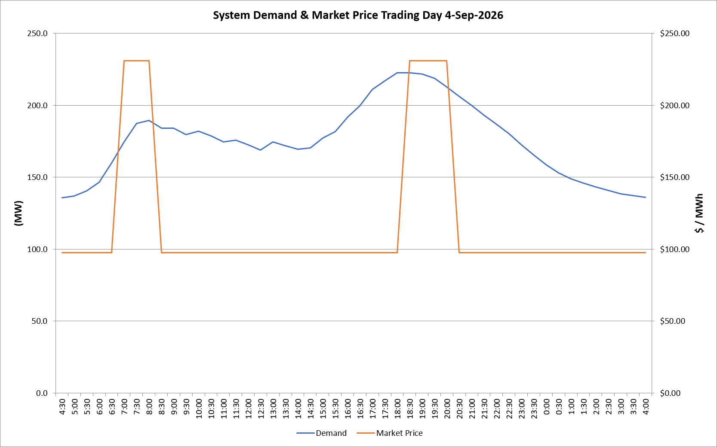
 | Demand | Market Price
4:30:00 | 135.7 | $97.61
5:00:00 | 137.0 | $97.61
5:30:00 | 140.5 | $97.61
6:00:00 | 146.6 | $97.61
6:30:00 | 159.8 | $97.63
7:00:00 | 174.5 | $231.05
7:30:00 | 187.5 | $231.05
8:00:00 | 189.6 | $231.05
8:30:00 | 184.0 | $97.63
9:00:00 | 184.2 | $97.63
9:30:00 | 179.7 | $97.63
10:00:00 | 182.1 | $97.63
10:30:00 | 178.7 | $97.63
11:00:00 | 174.6 | $97.63
11:30:00 | 175.8 | $97.63
12:00:00 | 172.5 | $97.63
12:30:00 | 168.8 | $97.63
13:00:00 | 174.6 | $97.63
13:30:00 | 171.9 | $97.63
14:00:00 | 169.5 | $97.63
14:30:00 | 170.4 | $97.63
15:00:00 | 177.4 | $97.63
15:30:00 | 181.8 | $97.63
16:00:00 | 191.8 | $97.63
16:30:00 | 199.6 | $97.63
17:00:00 | 211.0 | $97.65
17:30:00 | 216.9 | $97.65
18:00:00 | 222.7 | $97.65
18:30:00 | 222.6 | $231.04
19:00:00 | 221.8 | $231.04
19:30:00 | 218.7 | $231.04
20:00:00 | 212.9 | $231.04
20:30:00 | 206.2 | $97.65
21:00:00 | 200.0 | $97.65
21:30:00 | 193.1 | $97.65
22:00:00 | 186.9 | $97.63
22:30:00 | 180.4 | $97.63
23:00:00 | 172.5 | $97.63
23:30:00 | 165.4 | $97.63 | Offers Used For Processing
0:00:00 | 158.8 | $97.63
0:30:00 | 153.0 | $97.61 | Generator | Offer Version | Start Interval | Trading Day
1:00:00 | 148.9 | $97.61 | AENT | Version 4 | 4:30:00 | 2026-09-04
1:30:00 | 145.9 | $97.61 | BSF | Version 0 | 4:30:00 | 2026-09-04
2:00:00 | 143.2 | $97.61 | EDL | Version 1 | 4:30:00 | 2026-09-04
2:30:00 | 140.8 | $97.61 | ENI | Version 18 | 4:30:00 | 2026-09-04
3:00:00 | 138.6 | $97.61 | HCPS | Version 0 | 4:30:00 | 2026-09-04
3:30:00 | 137.4 | $97.61 | TGen | Version 1 | 4:30:00 | 2026-09-04
4:00:00 | 136.0 | $97.61

