System Demand and Market Price
I-NTEM
 | 1-Sep-26

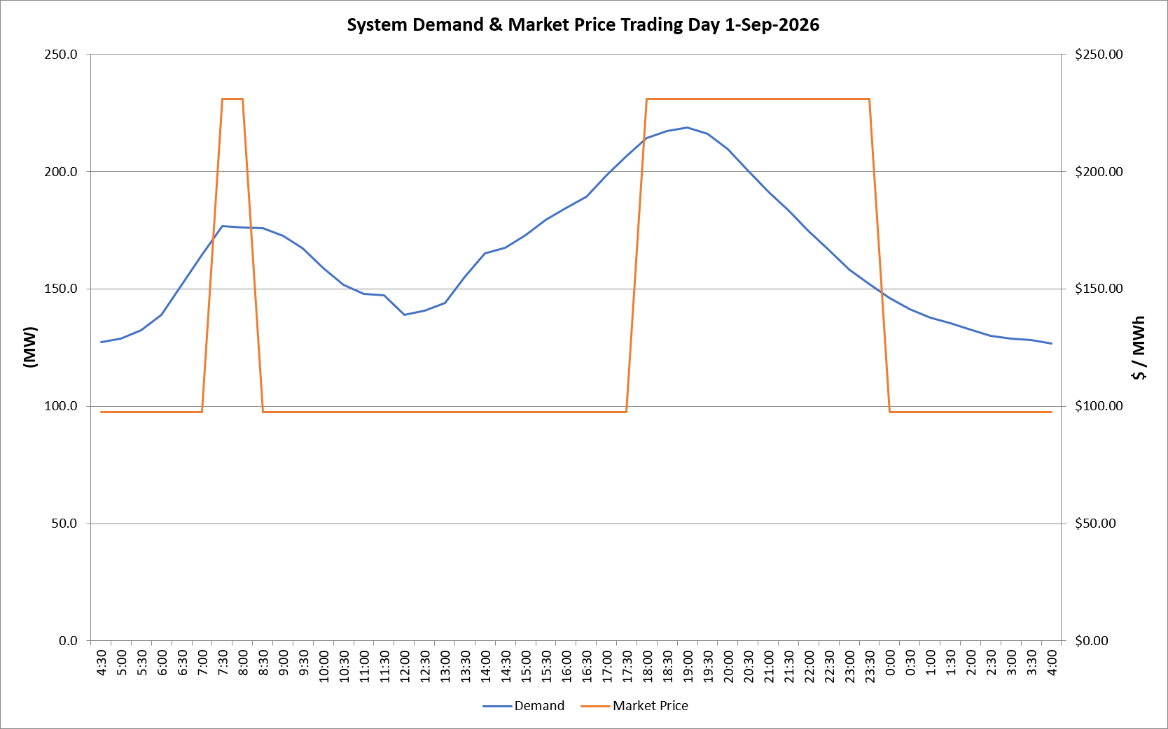
 | Demand | Market Price
4:30:00 | 127.4 | $97.60
5:00:00 | 128.6 | $97.60
5:30:00 | 132.5 | $97.60
6:00:00 | 138.9 | $97.60
6:30:00 | 151.8 | $97.60
7:00:00 | 164.6 | $97.61
7:30:00 | 176.6 | $231.04
8:00:00 | 176.2 | $231.04
8:30:00 | 175.7 | $97.61
9:00:00 | 172.4 | $97.61
9:30:00 | 167.3 | $97.61
10:00:00 | 158.9 | $97.61
10:30:00 | 151.6 | $97.60
11:00:00 | 147.9 | $97.60
11:30:00 | 147.2 | $97.60
12:00:00 | 138.9 | $97.60
12:30:00 | 140.6 | $97.60
13:00:00 | 143.9 | $97.60
13:30:00 | 155.0 | $97.60
14:00:00 | 165.2 | $97.60
14:30:00 | 167.4 | $97.60
15:00:00 | 172.8 | $97.60
15:30:00 | 179.4 | $97.63
16:00:00 | 184.4 | $97.63
16:30:00 | 189.3 | $97.63
17:00:00 | 198.6 | $97.63
17:30:00 | 206.6 | $97.63
18:00:00 | 214.2 | $231.04
18:30:00 | 217.1 | $231.04
19:00:00 | 218.7 | $231.04
19:30:00 | 216.2 | $231.04
20:00:00 | 209.6 | $231.04
20:30:00 | 200.3 | $231.04
21:00:00 | 191.4 | $231.04
21:30:00 | 183.3 | $231.04
22:00:00 | 174.7 | $231.04
22:30:00 | 166.5 | $231.04
23:00:00 | 158.4 | $231.04
23:30:00 | 152.1 | $231.04 | Offers Used For Processing
0:00:00 | 146.1 | $97.60
0:30:00 | 141.4 | $97.60 | Generator | Offer Version | Start Interval | Trading Day
1:00:00 | 137.8 | $97.60 | AENT | Version 4 | 4:30:00 | 2026-09-01
1:30:00 | 135.4 | $97.60 | BSF | Version 0 | 4:30:00 | 2026-09-01
2:00:00 | 132.6 | $97.60 | EDL | Version 1 | 4:30:00 | 2026-09-01
2:30:00 | 130.1 | $97.60 | ENI | Version 18 | 4:30:00 | 2026-09-01
3:00:00 | 128.9 | $97.60 | HCPS | Version 0 | 4:30:00 | 2026-09-01
3:30:00 | 128.1 | $97.60 | TGen | Version 1 | 4:30:00 | 2026-09-01
4:00:00 | 126.6 | $97.60

