System Demand and Market Price
I-NTEM
 | 9-Sep-26

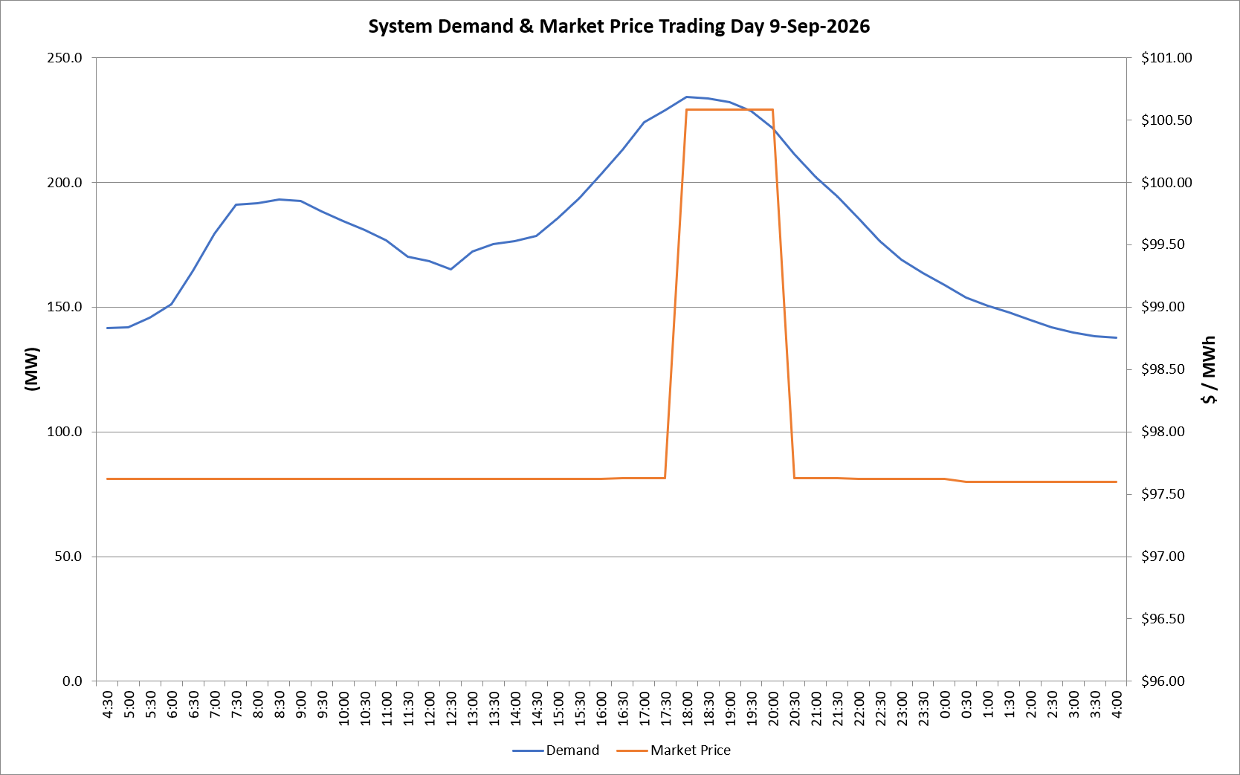
 | Demand | Market Price
4:30:00 | 141.6 | $97.62
5:00:00 | 142.0 | $97.62
5:30:00 | 145.8 | $97.62
6:00:00 | 151.1 | $97.62
6:30:00 | 164.6 | $97.62
7:00:00 | 179.4 | $97.62
7:30:00 | 191.0 | $97.62
8:00:00 | 191.7 | $97.62
8:30:00 | 193.1 | $97.62
9:00:00 | 192.7 | $97.62
9:30:00 | 188.5 | $97.62
10:00:00 | 184.5 | $97.62
10:30:00 | 180.8 | $97.62
11:00:00 | 176.8 | $97.62
11:30:00 | 170.3 | $97.62
12:00:00 | 168.3 | $97.62
12:30:00 | 165.2 | $97.62
13:00:00 | 172.1 | $97.62
13:30:00 | 175.1 | $97.62
14:00:00 | 176.5 | $97.62
14:30:00 | 178.5 | $97.62
15:00:00 | 185.7 | $97.62
15:30:00 | 193.7 | $97.62
16:00:00 | 203.1 | $97.62
16:30:00 | 213.0 | $97.63
17:00:00 | 224.1 | $97.63
17:30:00 | 228.7 | $97.63
18:00:00 | 234.3 | $100.58
18:30:00 | 233.6 | $100.58
19:00:00 | 232.0 | $100.58
19:30:00 | 228.5 | $100.58
20:00:00 | 221.6 | $100.58
20:30:00 | 211.2 | $97.63
21:00:00 | 202.1 | $97.63
21:30:00 | 194.2 | $97.63
22:00:00 | 185.5 | $97.62
22:30:00 | 176.4 | $97.62
23:00:00 | 169.1 | $97.62
23:30:00 | 163.7 | $97.62 | Offers Used For Processing
0:00:00 | 158.8 | $97.62
0:30:00 | 153.9 | $97.60 | Generator | Offer Version | Start Interval | Trading Day
1:00:00 | 150.6 | $97.60 | AENT | Version 4 | 4:30:00 | 2026-09-09
1:30:00 | 148.0 | $97.60 | BSF | Version 0 | 4:30:00 | 2026-09-09
2:00:00 | 144.7 | $97.60 | EDL | Version 1 | 4:30:00 | 2026-09-09
2:30:00 | 141.9 | $97.60 | ENI | Version 18 | 4:30:00 | 2026-09-09
3:00:00 | 139.7 | $97.60 | HCPS | Version 0 | 4:30:00 | 2026-09-09
3:30:00 | 138.4 | $97.60 | TGen | Version 1 | 4:30:00 | 2026-09-09
4:00:00 | 137.9 | $97.60

