System Demand and Market Price
I-NTEM
 | 8-Sep-26

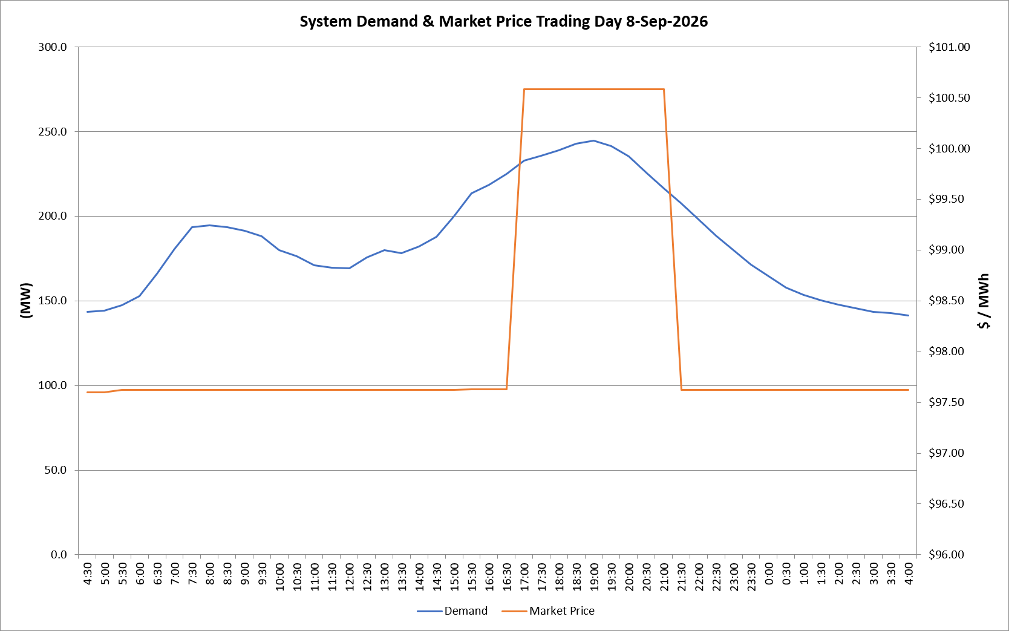
 | Demand | Market Price
4:30:00 | 143.6 | $97.60
5:00:00 | 144.1 | $97.60
5:30:00 | 147.5 | $97.62
6:00:00 | 152.8 | $97.62
6:30:00 | 166.1 | $97.62
7:00:00 | 180.5 | $97.62
7:30:00 | 193.7 | $97.62
8:00:00 | 194.4 | $97.62
8:30:00 | 193.4 | $97.62
9:00:00 | 191.5 | $97.62
9:30:00 | 188.3 | $97.62
10:00:00 | 179.8 | $97.62
10:30:00 | 176.2 | $97.62
11:00:00 | 171.1 | $97.62
11:30:00 | 169.5 | $97.62
12:00:00 | 169.3 | $97.62
12:30:00 | 175.8 | $97.62
13:00:00 | 179.7 | $97.62
13:30:00 | 178.2 | $97.62
14:00:00 | 182.2 | $97.62
14:30:00 | 187.7 | $97.62
15:00:00 | 199.9 | $97.62
15:30:00 | 213.7 | $97.63
16:00:00 | 218.7 | $97.63
16:30:00 | 225.0 | $97.63
17:00:00 | 232.8 | $100.58
17:30:00 | 235.7 | $100.58
18:00:00 | 238.7 | $100.58
18:30:00 | 242.7 | $100.58
19:00:00 | 244.5 | $100.58
19:30:00 | 241.5 | $100.58
20:00:00 | 235.2 | $100.58
20:30:00 | 225.8 | $100.58
21:00:00 | 216.4 | $100.58
21:30:00 | 207.5 | $97.62
22:00:00 | 198.1 | $97.62
22:30:00 | 188.6 | $97.62
23:00:00 | 180.1 | $97.62
23:30:00 | 171.2 | $97.62 | Offers Used For Processing
0:00:00 | 164.4 | $97.62
0:30:00 | 157.9 | $97.62 | Generator | Offer Version | Start Interval | Trading Day
1:00:00 | 153.4 | $97.62 | AENT | Version 4 | 4:30:00 | 2026-09-08
1:30:00 | 150.3 | $97.62 | BSF | Version 0 | 4:30:00 | 2026-09-08
2:00:00 | 147.7 | $97.62 | EDL | Version 1 | 4:30:00 | 2026-09-08
2:30:00 | 145.6 | $97.62 | ENI | Version 18 | 4:30:00 | 2026-09-08
3:00:00 | 143.5 | $97.62 | HCPS | Version 0 | 4:30:00 | 2026-09-08
3:30:00 | 142.7 | $97.62 | TGen | Version 1 | 4:30:00 | 2026-09-08
4:00:00 | 141.5 | $97.62

