System Demand and Market Price
I-NTEM
 | 1-Jul-26

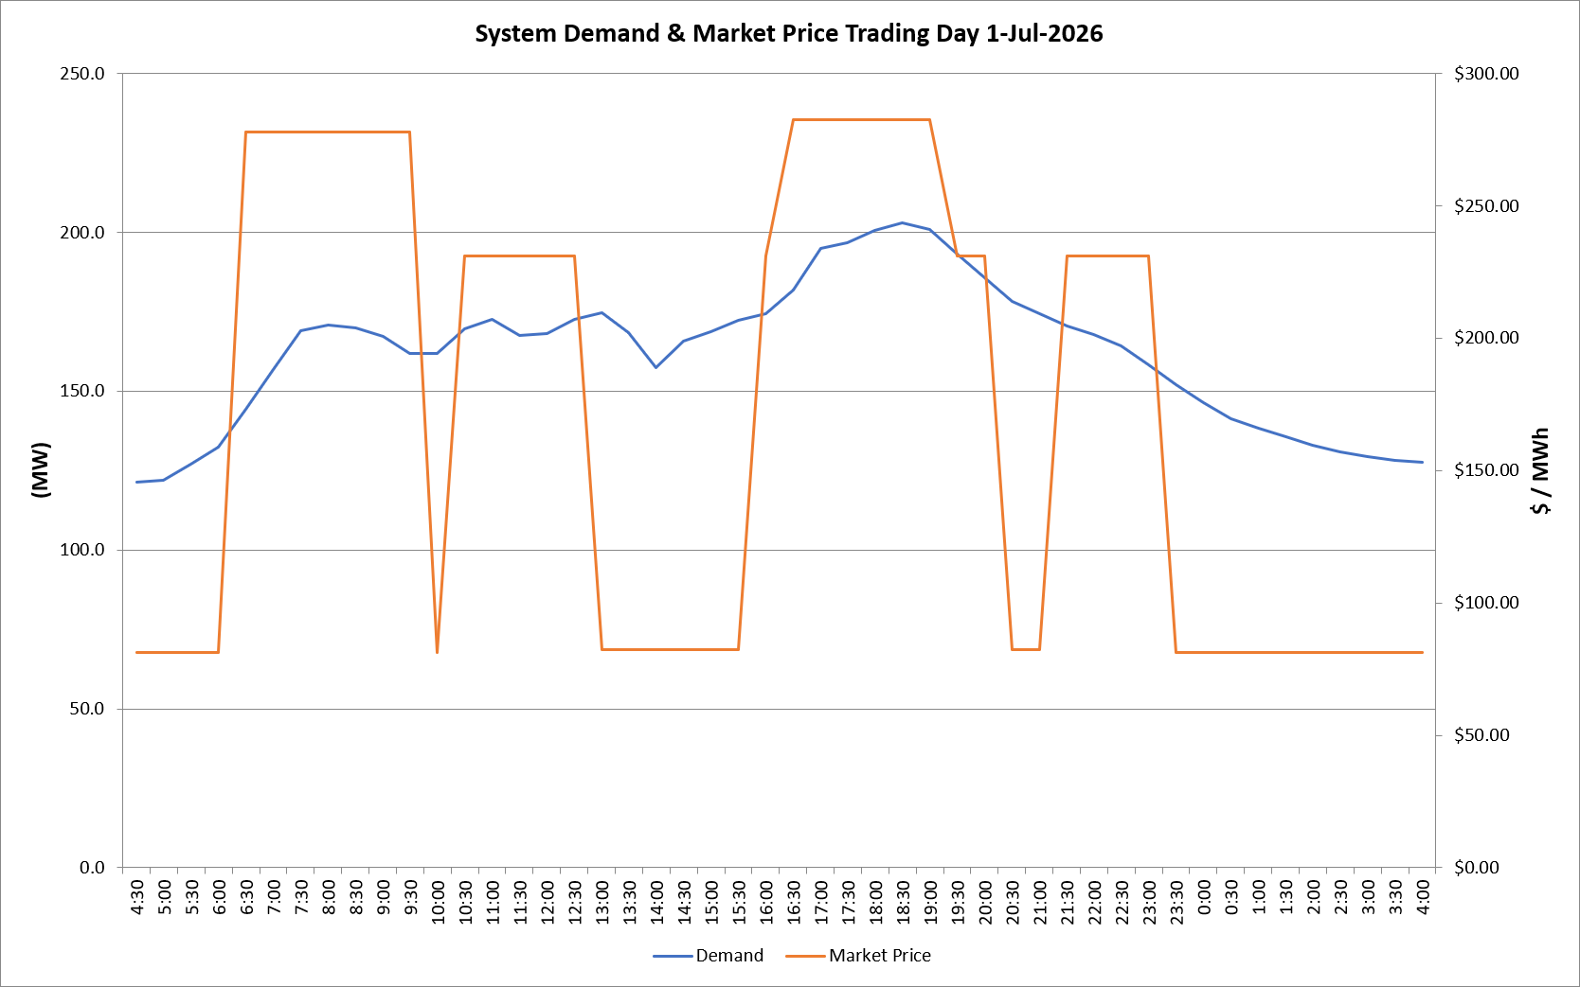
 | Demand | Market Price
4:30:00 | 121.3 | $81.21
5:00:00 | 121.9 | $81.21
5:30:00 | 126.9 | $81.21
6:00:00 | 132.2 | $81.21
6:30:00 | 144.3 | $278.00
7:00:00 | 156.9 | $278.00
7:30:00 | 169.0 | $278.00
8:00:00 | 170.7 | $278.00
8:30:00 | 170.0 | $278.00
9:00:00 | 167.1 | $278.00
9:30:00 | 161.8 | $278.00
10:00:00 | 161.9 | $81.21
10:30:00 | 169.6 | $231.04
11:00:00 | 172.4 | $231.04
11:30:00 | 167.4 | $231.04
12:00:00 | 168.2 | $231.04
12:30:00 | 172.6 | $231.04
13:00:00 | 174.6 | $82.19
13:30:00 | 168.3 | $82.19
14:00:00 | 157.3 | $82.19
14:30:00 | 165.8 | $82.19
15:00:00 | 168.8 | $82.19
15:30:00 | 172.2 | $82.19
16:00:00 | 174.2 | $231.04
16:30:00 | 181.9 | $282.37
17:00:00 | 195.0 | $282.37
17:30:00 | 196.6 | $282.37
18:00:00 | 200.5 | $282.37
18:30:00 | 202.8 | $282.37
19:00:00 | 201.0 | $282.37
19:30:00 | 193.2 | $231.04
20:00:00 | 185.7 | $231.04
20:30:00 | 178.1 | $82.19
21:00:00 | 174.4 | $82.19
21:30:00 | 170.6 | $231.04
22:00:00 | 167.8 | $231.04
22:30:00 | 164.1 | $231.04
23:00:00 | 158.4 | $231.04
23:30:00 | 152.0 | $81.21 | Offers Used For Processing
0:00:00 | 146.5 | $81.21
0:30:00 | 141.4 | $81.21 | Generator | Offer Version | Start Interval | Trading Day
1:00:00 | 138.4 | $81.21 | AENT | Version 4 | 4:30:00 | 2026-07-01
1:30:00 | 135.7 | $81.21 | BSF | Version 0 | 4:30:00 | 2026-07-01
2:00:00 | 133.0 | $81.21 | EDL | Version 1 | 4:30:00 | 2026-07-01
2:30:00 | 130.7 | $81.21 | ENI | Version 18 | 4:30:00 | 2026-07-01
3:00:00 | 129.3 | $81.21 | HCPS | Version 0 | 4:30:00 | 2026-07-01
3:30:00 | 128.3 | $81.21 | TGen | Version 1 | 4:30:00 | 2026-07-01
4:00:00 | 127.6 | $81.21

