System Demand and Market Price
I-NTEM
 | 7-Sep-26

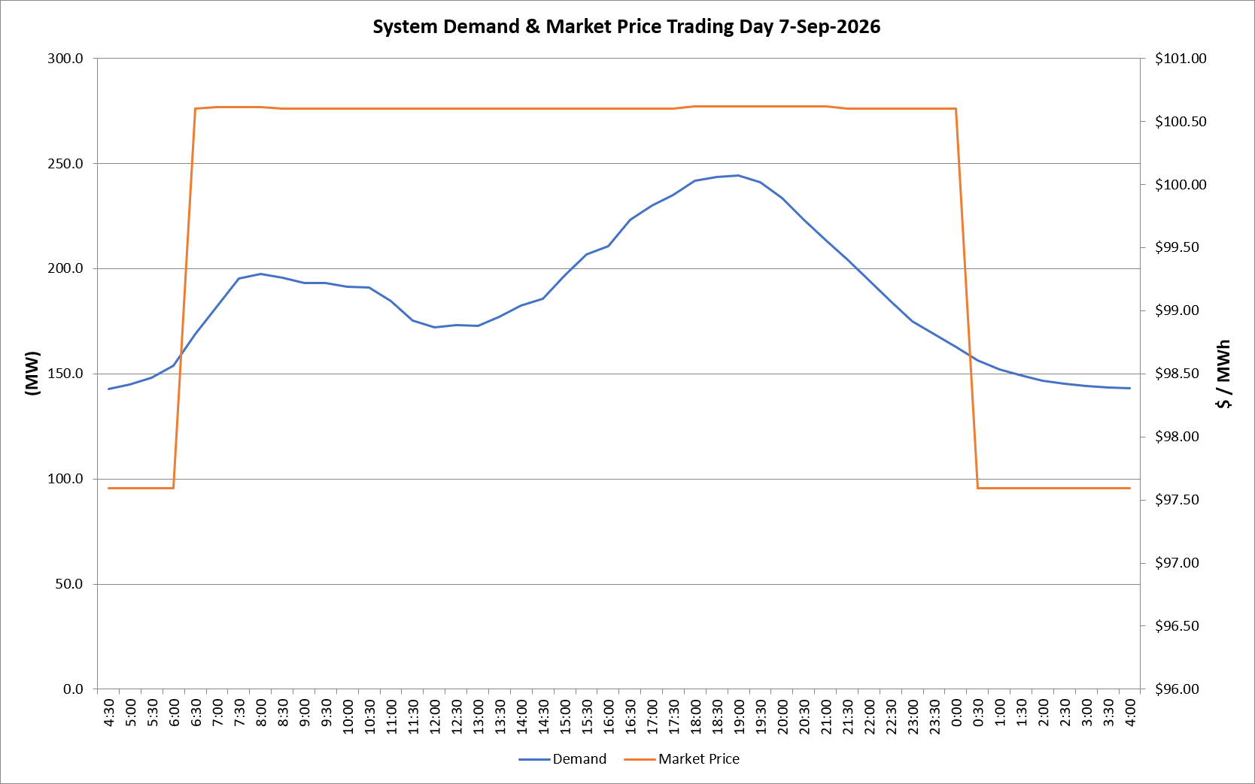
 | Demand | Market Price
4:30:00 | 142.9 | $97.59
5:00:00 | 144.9 | $97.59
5:30:00 | 148.2 | $97.59
6:00:00 | 153.9 | $97.59
6:30:00 | 168.8 | $100.60
7:00:00 | 182.0 | $100.61
7:30:00 | 195.4 | $100.61
8:00:00 | 197.3 | $100.61
8:30:00 | 195.5 | $100.60
9:00:00 | 193.0 | $100.60
9:30:00 | 193.1 | $100.60
10:00:00 | 191.4 | $100.60
10:30:00 | 191.2 | $100.60
11:00:00 | 184.7 | $100.60
11:30:00 | 175.1 | $100.60
12:00:00 | 171.9 | $100.60
12:30:00 | 173.0 | $100.60
13:00:00 | 172.9 | $100.60
13:30:00 | 177.2 | $100.60
14:00:00 | 182.5 | $100.60
14:30:00 | 185.5 | $100.60
15:00:00 | 196.7 | $100.60
15:30:00 | 206.6 | $100.60
16:00:00 | 210.5 | $100.60
16:30:00 | 223.1 | $100.60
17:00:00 | 229.8 | $100.60
17:30:00 | 234.8 | $100.60
18:00:00 | 241.8 | $100.62
18:30:00 | 243.6 | $100.62
19:00:00 | 244.3 | $100.62
19:30:00 | 241.0 | $100.62
20:00:00 | 233.6 | $100.62
20:30:00 | 223.1 | $100.62
21:00:00 | 213.5 | $100.62
21:30:00 | 204.4 | $100.60
22:00:00 | 194.7 | $100.60
22:30:00 | 184.6 | $100.60
23:00:00 | 175.0 | $100.60
23:30:00 | 168.7 | $100.60 | Offers Used For Processing
0:00:00 | 162.9 | $100.60
0:30:00 | 156.4 | $97.59 | Generator | Offer Version | Start Interval | Trading Day
1:00:00 | 152.1 | $97.59 | AENT | Version 4 | 4:30:00 | 2026-09-07
1:30:00 | 149.2 | $97.59 | BSF | Version 0 | 4:30:00 | 2026-09-07
2:00:00 | 146.5 | $97.59 | EDL | Version 1 | 4:30:00 | 2026-09-07
2:30:00 | 145.2 | $97.59 | ENI | Version 18 | 4:30:00 | 2026-09-07
3:00:00 | 144.2 | $97.59 | HCPS | Version 0 | 4:30:00 | 2026-09-07
3:30:00 | 143.4 | $97.59 | TGen | Version 1 | 4:30:00 | 2026-09-07
4:00:00 | 143.0 | $97.59

