System Demand and Market Price
I-NTEM
 | 3-Sep-26

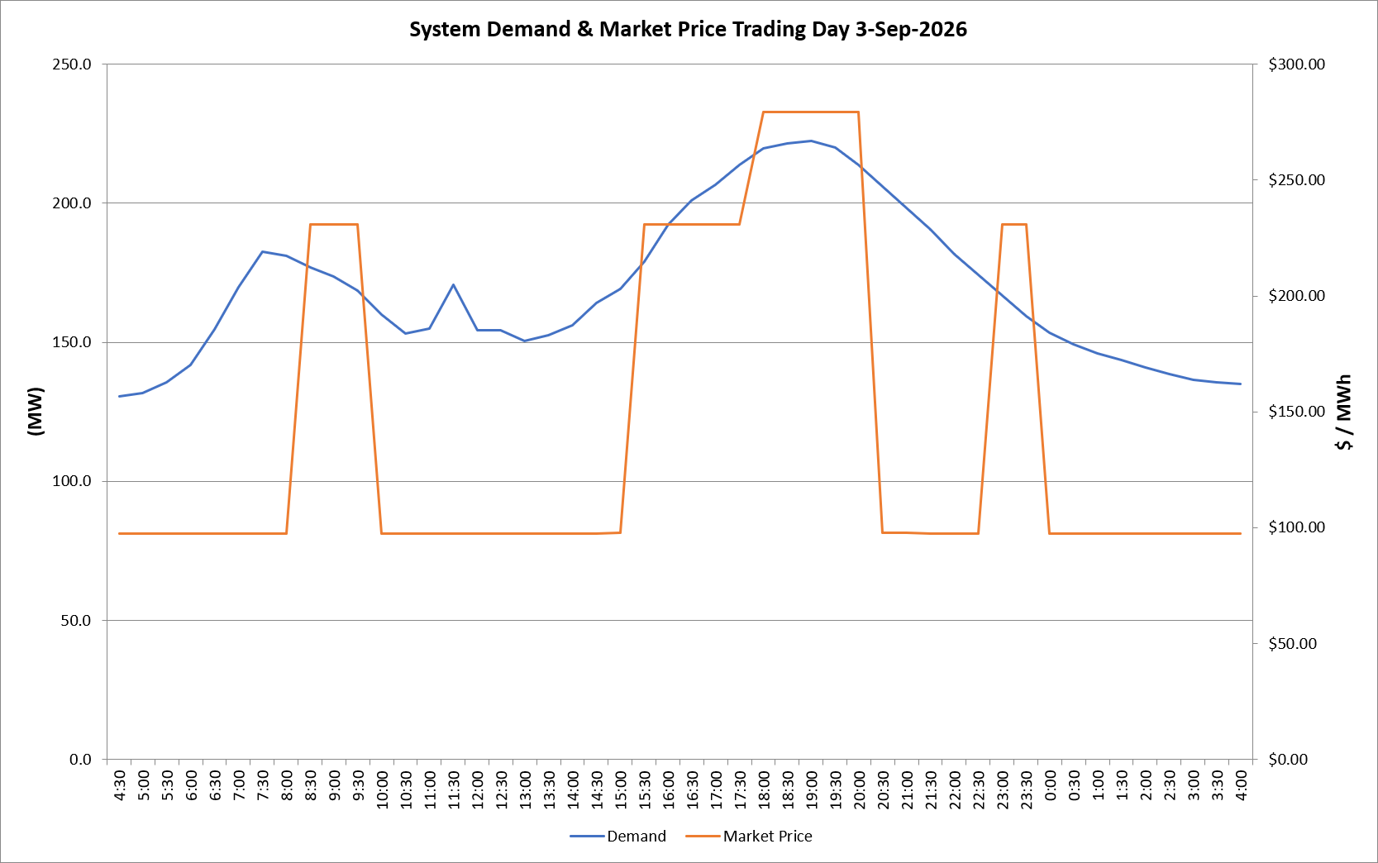
 | Demand | Market Price
4:30:00 | 130.6 | $97.60
5:00:00 | 131.9 | $97.60
5:30:00 | 135.7 | $97.60
6:00:00 | 141.8 | $97.60
6:30:00 | 154.7 | $97.61
7:00:00 | 169.8 | $97.61
7:30:00 | 182.7 | $97.61
8:00:00 | 181.0 | $97.61
8:30:00 | 176.9 | $231.05
9:00:00 | 173.8 | $231.05
9:30:00 | 168.7 | $231.05
10:00:00 | 160.1 | $97.61
10:30:00 | 153.1 | $97.61
11:00:00 | 154.9 | $97.61
11:30:00 | 170.8 | $97.61
12:00:00 | 154.5 | $97.61
12:30:00 | 154.2 | $97.61
13:00:00 | 150.4 | $97.61
13:30:00 | 152.5 | $97.61
14:00:00 | 156.2 | $97.61
14:30:00 | 164.1 | $97.61
15:00:00 | 169.1 | $97.63
15:30:00 | 178.9 | $231.04
16:00:00 | 192.5 | $231.04
16:30:00 | 201.2 | $231.04
17:00:00 | 206.8 | $231.04
17:30:00 | 213.9 | $231.04
18:00:00 | 219.9 | $279.50
18:30:00 | 221.6 | $279.50
19:00:00 | 222.3 | $279.50
19:30:00 | 220.0 | $279.50
20:00:00 | 213.9 | $279.50
20:30:00 | 206.2 | $97.63
21:00:00 | 198.2 | $97.63
21:30:00 | 190.5 | $97.61
22:00:00 | 181.9 | $97.61
22:30:00 | 174.3 | $97.61
23:00:00 | 167.0 | $231.04
23:30:00 | 159.5 | $231.04 | Offers Used For Processing
0:00:00 | 153.6 | $97.60
0:30:00 | 149.4 | $97.60 | Generator | Offer Version | Start Interval | Trading Day
1:00:00 | 146.1 | $97.60 | AENT | Version 4 | 4:30:00 | 2026-09-03
1:30:00 | 143.7 | $97.60 | BSF | Version 0 | 4:30:00 | 2026-09-03
2:00:00 | 141.1 | $97.60 | EDL | Version 1 | 4:30:00 | 2026-09-03
2:30:00 | 138.6 | $97.60 | ENI | Version 18 | 4:30:00 | 2026-09-03
3:00:00 | 136.4 | $97.60 | HCPS | Version 0 | 4:30:00 | 2026-09-03
3:30:00 | 135.5 | $97.60 | TGen | Version 1 | 4:30:00 | 2026-09-03
4:00:00 | 135.0 | $97.60

