System Demand and Market Price
I-NTEM
 | 31-Aug-26

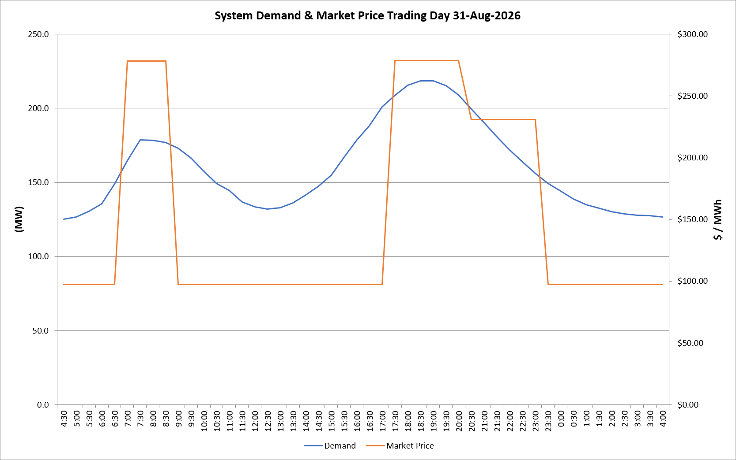
 | Demand | Market Price
4:30:00 | 125.3 | $97.60
5:00:00 | 126.8 | $97.60
5:30:00 | 130.5 | $97.60
6:00:00 | 135.7 | $97.60
6:30:00 | 149.1 | $97.60
7:00:00 | 164.6 | $278.50
7:30:00 | 178.9 | $278.50
8:00:00 | 178.4 | $278.50
8:30:00 | 177.0 | $278.50
9:00:00 | 172.9 | $97.60
9:30:00 | 166.6 | $97.60
10:00:00 | 157.8 | $97.60
10:30:00 | 149.3 | $97.60
11:00:00 | 144.4 | $97.60
11:30:00 | 136.8 | $97.60
12:00:00 | 133.7 | $97.60
12:30:00 | 132.0 | $97.60
13:00:00 | 133.0 | $97.60
13:30:00 | 136.2 | $97.60
14:00:00 | 141.6 | $97.60
14:30:00 | 147.4 | $97.60
15:00:00 | 155.1 | $97.60
15:30:00 | 167.3 | $97.60
16:00:00 | 178.8 | $97.61
16:30:00 | 188.1 | $97.61
17:00:00 | 201.0 | $97.61
17:30:00 | 208.8 | $278.80
18:00:00 | 215.6 | $278.80
18:30:00 | 218.5 | $278.80
19:00:00 | 218.5 | $278.80
19:30:00 | 215.3 | $278.80
20:00:00 | 208.9 | $278.80
20:30:00 | 199.5 | $231.04
21:00:00 | 190.4 | $231.04
21:30:00 | 180.8 | $231.04
22:00:00 | 171.8 | $231.04
22:30:00 | 163.8 | $231.04
23:00:00 | 156.2 | $231.04
23:30:00 | 149.4 | $97.60 | Offers Used For Processing
0:00:00 | 144.2 | $97.60
0:30:00 | 138.8 | $97.60 | Generator | Offer Version | Start Interval | Trading Day
1:00:00 | 135.1 | $97.60 | AENT | Version 4 | 4:30:00 | 2026-08-31
1:30:00 | 132.7 | $97.60 | BSF | Version 0 | 4:30:00 | 2026-08-31
2:00:00 | 130.1 | $97.60 | EDL | Version 1 | 4:30:00 | 2026-08-31
2:30:00 | 128.9 | $97.60 | ENI | Version 18 | 4:30:00 | 2026-08-31
3:00:00 | 128.0 | $97.60 | HCPS | Version 0 | 4:30:00 | 2026-08-31
3:30:00 | 127.6 | $97.60 | TGen | Version 1 | 4:30:00 | 2026-08-31
4:00:00 | 126.8 | $97.60

